Seismic Displacement_Crustal
Procedure for Estimating Shear-Induced Seismic Slope Displacement for Shallow Crustal Earthquakes |  |  |  |  |  | OrdinaryGM (EQ2&3)
by Jonathan D. Bray and Jorge Macedo, UC Berkeley and Georgia Tech |  |  |  |  |  | PulsesD100 (EQ4&5)
Procedure for Estimating Shear-Induced Seismic Slope Displacement for Shallow Crustal Earthquakes, ASCE JGGE, 2019, 145(12), doi: 10.1061/(ASCE)GT.1943-5606.0002143 |  |  |  |  |  | PulsesD50 (EQ6&7)
 |  |  |  |  |  | Deterministic-Pseudoprobabilistic (EQ8&9) |  | OrdinaryGM (EQ2&3)
SEE NOTES BELOW FOR GUIDANCE IN THE USE OF SPREADSHEET
Input Parameters
Case | OrdinaryGM (EQ2&3) | * Select Ordinary or Pulse or Combined Equations |  |  | Dependence on ky
Yield Coefficient (ky) (a) | 0.10 |  | (a) | Based on pseudostatic analysis | ky | P(D="0") | D (cm) | Dmedian (cm) | D-84% (cm) | D-16% (cm)
 | GM on "rock" | GM on "soil"
1 | 1 | 1
Initial Fundamental Period (Ts) (b) | 0.50 | seconds | (b) | 1D: Ts=4H/Vs 2D: Ts=2.6H/Vs | 0.020 | 0.000 | 362.2 | 362.2 | 741.2 | 177.0
Degraded Period (1.3Ts) | 0.65 | seconds | (c) | Input the Spectral Acceleration (g) at | 0.05 | 0.000 | 174.6 | 174.6 | 357.2 | 85.3
Moment Magnitude (Mw) | 7.5 |  |  | the base of the sliding mass assuming | 0.07 | 0.000 | 120.5 | 120.5 | 246.5 | 58.9
Spectral Acceleration ( Sa(1.3Ts) ) (c) | 1.00 | g |  | there is no material above it. | 0.1 | 0.000 | 76.6 | 76.6 | 156.7 | 37.4
PGV Information | PGV is not used in this case, enter 1 below |  | (d) | PGV (cm/s) is required for near-fault pulse | 0.15 | 0.000 | 42.4 | 42.4 | 86.8 | 20.7
Peak Ground Velocity (PGV) (d) | 1.0 | cm/s |  | motions & for EQ9 when PGV > 115 cm/s; | 0.2 | 0.000 | 26.6 | 26.6 | 54.3 | 13.0
Percentile (if Pulse ground Motion) (e) | No Pulse |  |  | it is estimated at the base of sliding | 0.3 | 0.014 | 12.8 | 12.7 | 26.1 | 6.0
Additional Input Parameters |  |  |  | mass assuming no material above it. | 0.4 | 0.093 | 7.3 | 6.64 | 14.22 | 2.57
Probability of Exceedance #1 (P1) | 84 | % | (e) | If Pulse motion the percentile is given
Probability of Exceedance #2 (P2) | 50 | % |  | as either D100 or D50. D100 should be
Probability of Exceedance #3 (P3) | 16 | % |  | used for fault-normal direction
Displacement Threshold (d_threshold) | 30 | cm

Intermediate Calculated Parameters
Non-Zero Seismic Displacement Est (D) | 76.6 | cm |  | eq. (3) or (5) or (7) or (9)
Standard Deviation of Non-Zero Seismic D | 0.72

Results
Probability of Negligible Displ. (P(D=0)) | 0.00 |  |  | eq. (2) or (4) or (6) or (8)
D1 | 37.4 | cm |  | calc. using eq. (11)
D2 | 76.6 | cm |  | calc. using eq. (11)
D3 | 156.7 | cm |  | calc. using eq. (11)
P(D>d_threshold) | 0.90 |  |  | eq. (11)

Notes
1. Values highlighted in blue are input parameters, and results are presented in the table with the yellow heading.
2. Probability of Exceedance is the desired probability of exceeding a particular displacement value.
3. Displacements D1, D2, and D3 correspond to P1, P2, and P3, respectively.
(e.g., the probability of exceeding displacement D1 is P1 and it is referred to as the (100% - P1) percentile value.
4. The 16%, 50%, and 84% percentile displacement values at selected ky values are shown to the right.
5. Calculated seismic displacements are due to deviatoric deformation only (add in volumetrically induced movement).
6. ky may range between 0.01 and 0.8, Ts between 0 and 2 s, Sa between 0.002 and 4.5 g, Mw between 5.5 and 8.2
7. Rigid slope is assumed for Ts < 0.05 s, i.e. Ts = 0.0. If Ts is just less than 0.05 s, set Ts = 0.050 s
8. When a value for D is not calculated, D is < 0.5 cm
9. ky should be estimated with a slope stability program; the simplified equations shown below in Fig. 14.1 provide approximate values.
10. Examples of how Ts is estimated are shown below in Fig. 14.4 and Fig. 3.
11. Vs = weighted avg. shear wave velocity for the sliding mass, e.g., for 2 layers, Vs = [(h1)(Vs1) + (h2)(Vs2)]/(h1 + h2)

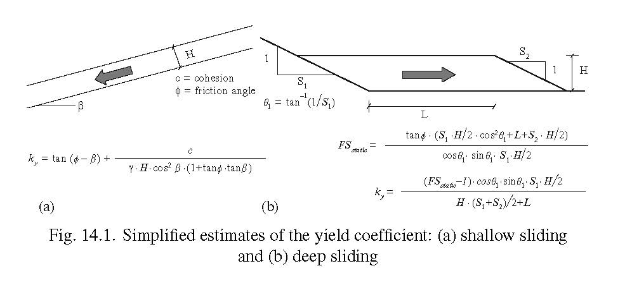
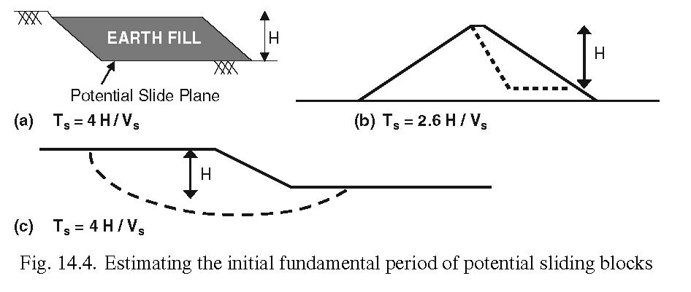

Figures from Bray (2007) “Chapter 14: Simplified Seismic Slope Displacement Procedures,” Earthquake Geotechnical Engineering, 4th Inter. Conf. on Earthquake
Geotechnical Engineering - Invited Lectures, in Geotechnical, Geological, and Earthquake Engineering Series, V. 6, Pitilakis, Kyriazis D., Ed., Springer, 327-353.

Figure from Bray & Macedo (2023) “Performance-Based Seismic Assessment of Slope Systems,” Soil Dynamics and Earthquake Engineering J., V. 168, 10.1016/j.soildyn.2023.107835.

For seismic slope displacement methods that incorporate the seismic response of a deformable sliding block, the initial fundamental period of the sliding mass (Ts) of a relatively long sliding mass can be estimated as: Ts = 4H/Vs’, where H is the maximum height of the sliding mass and Vs’ is its equivalent shear wave velocity = S[(Vsi)(mi)]/S(mi), where mi is each differential mass i with shear wave velocity of Vsi (Bray and Macedo 2021). For the case of a triangular-shaped sliding mass, Ts = 2.6H/Vs’ should be used (Ambrasseys and Sarma 1967). The initial fundamental period of the sliding mass can be estimated approximately for other cases using a mass-weighted fundamental period (Ts’) of rectangular slices of the sliding mass, as illustrated in Figure 3. Ts’ is calculated as the mass-weighted fundamental period of each incremental slice of the sliding mass, wherein the fundamental period of each rectangular slice of height Hi and shear wave velocity of Vsi’ is calculated as Tsi = 4 Hi/Vsi’. The effective height of the entire slide mass (H’) is calculated as (Ts’)(Vs’)/4, and the initial fundamental period of the sliding mass can be approximated as Ts = 4 H’/Vs’. H’ varies from 0.65 H to 1.0 H, where H is the maximum height of a vertical line within the sliding mass (not the total height of the sliding mass from its base to its top). The use of Ts implicitly assumes the material below the sliding mass is rigid. Adjustments may be required if the base is not stiff relative to the potential sliding mass or if topographic effects are significant. As the method is based on 1D analysis, which may underestimate the seismic demand of shallow sliding at the top of 2D systems affected by topographic amplification, the input motion’s intensity parameter should be amplified by 25% for moderately steep slopes and by 50% for steep slopes (Bray and Travasarou 2007). It may be amplified by 100% for localized sliding at the dam crest (Yu et al. 2012). [From Bray & Macedo 2023]

Seismic Displacement_Subduction
Seismic Slope Displacement Procedure for Interface and Intraslab Subduction Zone Earthquakes
by Jorge Macedo, Jonathan D. Bray, and Chenying Liu
Seismic Slope Displacement Procedure for Interface and Intraslab Subduction Zone Earthquakes, ASCE JGGE, 2023, in review

SEE NOTES BELOW FOR GUIDANCE IN THE USE OF SPREADSHEET
If using the scalar model (eq. 3a), enter all required inputs and -1 for PGV; If using the vector model (eq. 3b), enter all required inputs and the PGV estimate
Input Parameters |  |  |  |  | Dependence on ky
Yield Coefficient (ky) | 0.205 |  | Based on pseudostatic analysis |  | ky | P(D="0") | D (cm) | Dmedian (cm) | D-84% (cm) | D-16% (cm)
 | GM on "rock" | GM on "soil"
1 | 1 | 1
Initial Fundamental Period (Ts) | 0.80 | seconds | 1D: Ts=4H/Vs 2D: Ts=2.6H/Vs |  | 0.020 | 0.000 | 530.5 | 530.5 | 1118.3 | 251.6
Degraded Period (1.3Ts) | 1.04 | seconds |  |  | 0.05 | 0.000 | 270.9 | 270.9 | 571.0 | 128.5
Moment Magnitude (Mw) | 8.0 |  |  |  | 0.07 | 0.000 | 182.3 | 182.3 | 384.3 | 86.5
PGV | -1.0 | cm/s | Use -1 if using the scalar model |  | 0.08 | 0.000 | 152.3 | 152.3 | 321.2 | 72.3
Spectral Acceleration ( Sa(1.3Ts) ) | 1 | g | Input Spectral Acceleration at base of sliding mass assuming there is no material above it. |  | 0.1 | 0.000 | 109.7 | 109.7 | 231.4 | 52.1
Mechanism | 0 |  | 0 for interface 1 for intraslab |  | 0.12 | 0.000 | 81.8 | 81.8 | 172.4 | 38.8
 |  |  |  |  | 0.15 | 0.000 | 55.3 | 55.2 | 116.5 | 26.2
Additional Input Parameters |  |  |  |  | 0.2 | 0.000 | 31.6 | 31.6 | 66.7 | 15.0
Probability of Exceedance #1 (P1) | 84 | % |  |  | 0.3 | 0.015 | 13.1 | 12.9 | 27.3 | 6.0
Probability of Exceedance #2 (P2) | 50 | % |  |  | 0.4 | 0.187 | 6.5 | 5.2 | 12.3 | <1
Probability of Exceedance #3 (P3) | 16 | %
Displacement Threshold (d_threshold) | 30 | cm

Intermediate Calculated Parameters
Non-Zero Seismic Displacement Est (D) | 30.08 | cm | eq. 3a or 3b | 3.4037950233
Standard Deviation of Non-Zero Seismic D | 0.75

Results
Probability of Negligible Displ. (P(D=0)) | 0.00 |  | eq. 2
D1 | 14.3 | cm | calc. using eq. 1
D2 | 30.1 | cm | calc. using eq. 1
D3 | 63.4 | cm | calc. using eq. 1
P(D>d_threshold) | 0.50 |  | eq. 1

Notes
1. Values highlighted in blue are input parameters, and results are presented in the table with the yellow heading.
2. Probability of Exceedance is the desired probability of exceeding a particular displacement value.
3. Displacements D1, D2, and D3 correspond to P1, P2, and P3, respectively.
(e.g., the probability of exceeding displacement D1 is P1)
4. The 16%, 50%, and 84% percentile displacement values at selected ky values are shown to the right.
5. Calculated seismic displacements are due to deviatoric deformation only (add in volumetrically induced movement).
6. ky may range between 0.01 and 0.8, Ts between 0 and 2 s, Sa between 0.002 and 4.5 g, M between 5.5 and 9
7. When Ts is close to 0.00 s and the sliding block is assumed to be rigid, Ts can be set to 0.00 s and Sa(1.5Ts) can be set to PGA.
8. When a value for D is not calculated, D is < 0.5cm
9. ky should be estimated with a slope stability program; the simplified equations shown below in Fig. 14.1 provide approximate values.
10. Examples of how Ts is estimated are shown below in Fig. 14.4 and Fig. 3.
11. Vs = weighted avg. shear wave velocity for the sliding mass, e.g., for 2 layers, Vs = [(h1)(Vs1) + (h2)(Vs2)]/(h1 + h2)

Figures from Bray (2007) “Chapter 14: Simplified Seismic Slope Displacement Procedures,” Earthquake Geotechnical Engineering, 4th Inter. Conf. on Earthquake
Geotechnical Engineering - Invited Lectures, in Geotechnical, Geological, and Earthquake Engineering Series, V. 6, Pitilakis, Kyriazis D., Ed., Springer, 327-353.

Figure from Bray & Macedo (2023) “Performance-Based Seismic Assessment of Slope Systems,” Soil Dynamics and Earthquake Engineering J., V. 168, 10.1016/j.soildyn.2023.107835.

For seismic slope displacement methods that incorporate the seismic response of a deformable sliding block, the initial fundamental period of the sliding mass (Ts) of a relatively long sliding mass can be estimated as: Ts = 4H/Vs’, where H is the maximum height of the sliding mass and Vs’ is its equivalent shear wave velocity = S[(Vsi)(mi)]/S(mi), where mi is each differential mass i with shear wave velocity of Vsi (Bray and Macedo 2021). For the case of a triangular-shaped sliding mass, Ts = 2.6H/Vs’ should be used (Ambrasseys and Sarma 1967). The initial fundamental period of the sliding mass can be estimated approximately for other cases using a mass-weighted fundamental period (Ts’) of rectangular slices of the sliding mass, as illustrated in Figure 3. Ts’ is calculated as the mass-weighted fundamental period of each incremental slice of the sliding mass, wherein the fundamental period of each rectangular slice of height Hi and shear wave velocity of Vsi’ is calculated as Tsi = 4 Hi/Vsi’. The effective height of the entire slide mass (H’) is calculated as (Ts’)(Vs’)/4, and the initial fundamental period of the sliding mass can be approximated as Ts = 4 H’/Vs’. H’ varies from 0.65 H to 1.0 H, where H is the maximum height of a vertical line within the sliding mass (not the total height of the sliding mass from its base to its top). The use of Ts implicitly assumes the material below the sliding mass is rigid. Adjustments may be required if the base is not stiff relative to the potential sliding mass or if topographic effects are significant. As the method is based on 1D analysis, which may underestimate the seismic demand of shallow sliding at the top of 2D systems affected by topographic amplification, the input motion’s intensity parameter should be amplified by 25% for moderately steep slopes and by 50% for steep slopes (Bray and Travasarou 2007). It may be amplified by 100% for localized sliding at the dam crest (Yu et al. 2012). [From Bray & Macedo 2023]

